Cover page
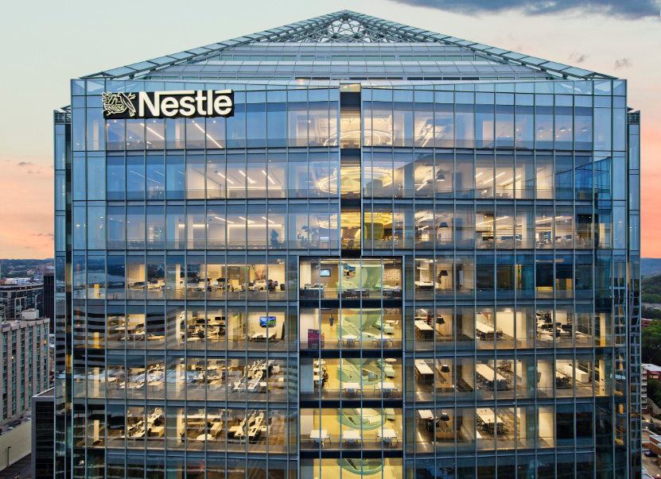

Nestle Plc
Financial Model from 2025 to 2030
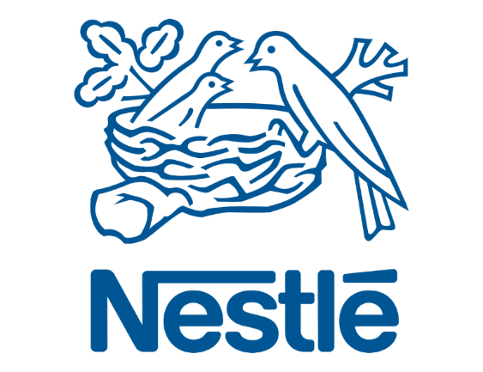



Financial Modeler
Gansari Williams Bioyari

 | Gearing

